Sales
2022-11-01 | 11/1/2022 | 11/2/2022 | 11/3/2022 | 11/4/2022 | 11/5/2022 | 11/6/2022 | 11/7/2022 | 11/8/2022 | 11/9/2022 | 11/10/2022 | 11/11/2022 | 11/12/2022 | 11/13/2022 | 11/14/2022 | 11/15/2022 | 11/16/2022 | 11/17/2022 | 11/18/2022 | 11/19/2022 | 11/20/2022 | 11/21/2022 | 11/22/2022 | 11/23/2022 | 11/24/2022 | 11/25/2022 | 11/26/2022 | 11/27/2022 | 11/28/2022 | 11/29/2022 | 11/30/2022
 | TUE | WED | THU | FRI | SAT | SUN | MON | TUE | WED | THU | FRI | SAT | SUN | MON | TUE | WED | THU | FRI | SAT | SUN | MON | TUE | WED | THU | FRI | SAT | SUN | MON | TUE | WED
Weekend Work | Beno |  |  |  | Beno | Beno |  |  |  |  |  | Peter | Peter |  |  |  |  |  | Beno | Beno |  |  |  |  |  | Gaja | Gaja

Notes |  | Ping Email | Ping Email |  |  |  |  |  |  |  | Singles Day Email |  |  |  |  |  | Black Friday |  |  |  |  |  |  |  |  |  |  |  | Back to pre-sale (April 2023/June 2023) Change at 18.38 on our website. | A/B Test for gift cards launched at 19:30
 |  |  |  |  |  |  |  |  | Yellow Water Fountain is online | Closed non-US countries |  |  |  |  | At 5:05pm, BB+Solar is no longer bundle, but 2 separate items - order 122683 | Added Single Add-ons tab on collections page |  |  |  |  |  |  |  |  | Black Friday Email |  |  | Extended Black Friday Email | Last order to ship by Christmas: Order #133593 | Different data in Shopify, beacuse Support was splitting Bird Buddy with Solar Roof

Shopify | $147,229.85 | $170,827.02 | $173,735.26 | $153,450.02 | $131,109.38 | $147,780.94 | $133,213.04 | $137,265.03 | $117,882.72 | $121,205.57 | $140,629.14 | $142,305.00 | $120,216.13 | $130,321.17 | $101,390.49 | $97,941.78 | $122,286.51 | $141,485.61 | $152,239.82 | $202,219.46 | $195,967.58 | $194,049.28 | $203,298.08 | $207,867.19 | $421,782.46 | $290,863.94 | $219,443.33 | $306,293.66 | $240,149.13 | $45,326.17
Total Revenue | $147,229.85 | $170,827.02 | $173,735.26 | $153,450.02 | $131,109.38 | $147,780.94 | $133,213.04 | $137,265.03 | $117,882.72 | $121,205.57 | $140,629.14 | $142,305.00 | $120,216.13 | $130,321.17 | $101,390.49 | $97,941.78 | $122,286.51 | $141,485.61 | $152,239.82 | $202,219.46 | $195,967.58 | $194,049.28 | $203,298.08 | $207,867.19 | $421,782.46 | $290,863.94 | $219,443.33 | $306,293.66 | $240,149.13 | $45,326.17
Orders | 497 | 653 | 646 | 535 | 454 | 492 | 450 | 464 | 387 | 406 | 477 | 478 | 411 | 444 | 350 | 347 | 445 | 488 | 544 | 714 | 697 | 700 | 725 | 742 | 1610 | 1086 | 801 | 1151 | 780 | 170

FB - US & CA | $58,010.29 | $48,153.42 | $44,367.40 | $38,853.52 | $32,346.33 | $34,737.41 | $32,836.12 | $27,813.44 | $23,177.62 | $24,050.25 | $23,392.59 | $20,221.73 | $22,301.10 | $19,015.26 | $15,535.85 | $14,769.86 | $16,079.09 | $16,278.28 | $15,338.91 | $15,197.04 | $15,462.83 | $15,645.95 | $15,728.95 | $15,531.58 | $15,283.24 | $14,561.72 | $13,144.94 | $13,835.91 | $14,194.03 | $8,498.69
Google - WW | $1,490.00 | $1,960.00 | $3,680.00 | $2,885.94 | $2,680.68 | $2,190.00 | $1,080.00 | $3,080.00 | $3,390.00 | $3,160.00 | $2,891.21 | $2,841.21 | $2,720.00 | $2,500.00 | $1,950.00 | $2,410.00 | $2,210.00 | $2,657.03 | $2,527.58 | $2,500.00 | $2,450.00 | $2,430.00 | $2,330.00 | $2,330.00 | $2,310.12 | $1,973.19 | $2,150.00 | $2,510.00 | $2,070.00 | $1,750.00
Bing - WW | $108.92 | $91.64 | $92.53 | $118.48 | $71.77 | $83.86 | $73.10 | $66.29 | $75.32 | $78.57 | $68.98 | $76.89 | $66.70 | $89.94 | $75.51 | $93.78 | $109.15 | $71.25 | $59.23 | $71.78 | $83.37 | $80.74 | $82.85 | $53.06 | $119.49 | $101.49 | $67.46 | $113.50 | $144.75 | $154.53
TikTok - US & CA | $9,743.23 | $7,345.70 | $6,126.34 | $5,204.81 | $5,382.25 | $5,397.05 | $5,271.39 | $4,480.47 | $4,175.56 | $4,157.51 | $4,200.35 | $3,672.01 | $3,679.03 | $3,677.81 | $2,614.91 | $2,650.00 | $2,650.00 | $2,664.84 | $2,941.54 | $2,950.00 | $2,949.61 | $2,888.60 | $2,949.27 | $2,864.29 | $3,001.38 | $3,237.66 | $3,242.02 | $3,249.55 | $3,266.07 | $2,735.00
MNTN TV | $67.01 | $0.00 | $0.00 | $0.00 | $0.00 | $0.00 | $0.00 | $0.00 | $0.00 | $0.00 | $0.00 | $0.00 | $0.00 | $0.00 | $0.00 | $0.00 | $0.00 | $0.00 | $0.00 | $0.00 | $0.00 | $0.00 | $0.00 | $0.00 | $0.00 | $0.00 | $0.00 | $0.00 | $0.00 | $0.00
Affiliate Fees - US |  |  |  |  |  |  |  |  |  |  |  |  |  |  |  |  |  | $69.91 | $277.02 | $856.37 | $442.35 | $160.07 | $581.49 |  | $183.39 | $154.99 |  | $103.37 | $584.92 | $100.59
Total Spend | $69,419.45 | $57,550.76 | $54,266.27 | $47,062.75 | $40,481.03 | $42,408.32 | $39,260.61 | $35,440.20 | $30,818.50 | $31,446.33 | $30,553.13 | $26,811.84 | $28,766.83 | $25,283.01 | $20,176.27 | $19,923.64 | $21,048.24 | $21,741.31 | $21,144.28 | $21,575.19 | $21,388.16 | $21,205.36 | $21,672.56 | $20,778.93 | $20,897.62 | $20,029.05 | $18,604.42 | $19,812.33 | $20,259.77 | $13,238.81

ROAS | 2.12 | 2.97 | 3.20 | 3.26 | 3.24 | 3.48 | 3.39 | 3.87 | 3.83 | 3.85 | 4.60 | 5.31 | 4.18 | 5.15 | 5.03 | 4.92 | 5.81 | 6.51 | 7.20 | 9.37 | 9.16 | 9.15 | 9.38 | 10.00 | 20.18 | 14.52 | 11.80 | 15.46 | 11.85 | 3.42
CAC | $139.68 | $88.13 | $84.00 | $87.97 | $89.17 | $86.20 | $87.25 | $76.38 | $79.63 | $77.45 | $64.05 | $56.09 | $69.99 | $56.94 | $57.65 | $57.42 | $47.30 | $44.55 | $38.87 | $30.22 | $30.69 | $30.29 | $29.89 | $28.00 | $12.98 | $18.44 | $23.23 | $17.21 | $25.97 | $77.88
CR | 1.13% | 1.47% | 1.51% | 1.55% | 1.50% | 1.59% | 1.76% | 2.02% | 1.79% | 1.94% | 2.12% | 2.09% | 1.84% | 2.35% | 2.23% | 2.26% | 2.66% | 2.88% | 2.99% | 3.38% | 3.20% | 3.25% | 3.30% | 3.54% | 5.96% | 4.75% | 3.52% | 4.85% | 3.39% | 0.70%
AOV | $296.24 | $261.60 | $268.94 | $286.82 | $288.79 | $300.37 | $296.03 | $295.83 | $304.61 | $298.54 | $294.82 | $297.71 | $292.50 | $293.52 | $289.69 | $282.25 | $274.80 | $289.93 | $279.85 | $283.22 | $281.16 | $277.21 | $280.41 | $280.14 | $261.98 | $267.83 | $273.96 | $266.11 | $307.88 | $266.62
fAOV | $300.28 | $291.89 | $302.90 | $300.99 | $299.87 | $309.93 | $304.29 | $300.40 | $309.02 | $304.77 | $296.15 | $299.17 | $299.68 | $295.32 | $295.79 | $296.28 | $285.26 | $304.41 | $293.44 | $290.41 | $287.65 | $286.86 | $293.22 | $288.65 | $282.68 | $281.15 | $286.87 | $282.63 | $288.79 | $289.27
rAOV | $226.22 | $104.73 | $115.84 | $152.33 | $146.62 | $205.94 | $199.68 | $206.99 | $202.32 | $230.32 | $281.71 | $273.33 | $198.99 | $255.05 | $170.13 | $122.39 | $181.86 | $184.63 | $156.57 | $216.17 | $213.91 | $177.48 | $197.16 | $198.29 | $159.53 | $153.89 | $156.28 | $170.28 | $193.38 | $165.09

Customers
Returning | 6.24% | 17.94% | 18.73% | 9.53% | 7.27% | 9.96% | 9.11% | 4.96% | 4.13% | 8.37% | 9.22% | 5.65% | 7.79% | 7.43% | 4.86% | 8.07% | 10.11% | 12.09% | 9.93% | 10.22% | 8.74% | 9.86% | 13.66% | 9.84% | 16.96% | 11.33% | 10.36% | 15.64% | 8.21% | 18.24%
First-time | 93.76% | 82.06% | 81.27% | 90.47% | 92.73% | 90.04% | 90.89% | 95.04% | 95.87% | 91.63% | 90.78% | 94.35% | 92.21% | 92.57% | 95.14% | 91.93% | 89.89% | 87.91% | 90.07% | 89.78% | 91.26% | 90.14% | 86.34% | 90.16% | 83.04% | 88.67% | 89.64% | 84.36% | 91.79% | 81.76%

Post-purchase Survey
Facebook / Instagram | 68.89% | 59.80% | 57.00% | 60.00% | 58.64% | 59.74% | 56.38% | 58.79% | 65.63% | 54.84% | 60.77% | 54.11% | 57.53% | 47.41% | 53.24% | 43.90% | 51.35% | 49.33% | 49.44% | 53.42% | 58.82% | 56.13% | 52.55% | 49.75% | 42.46% | 50.76% | 52.81% | 53.65% | 48.95% | 40.74%
Friends / Family | 11.67% | 14.57% | 16.91% | 14.74% | 12.35% | 11.69% | 16.11% | 19.39% | 11.72% | 25.16% | 20.99% | 15.07% | 21.23% | 29.63% | 20.14% | 36.59% | 27.70% | 34.67% | 25.00% | 22.37% | 20.36% | 25.94% | 19.90% | 23.15% | 28.64% | 19.64% | 28.09% | 24.44% | 30.96% | 35.19%
Google, Yahoo, Bing | 2.78% | 3.02% | 5.80% | 4.21% | 1.85% | 1.95% | 3.36% | 2.42% | 1.56% | 1.94% | 2.21% | 2.74% | 2.05% | 1.48% | 2.88% | 4.88% | 2.03% | 1.33% | 2.22% | 2.74% | 2.71% | 0.94% | 3.57% | 2.46% | 2.81% | 3.93% | 2.62% | 2.25% | 3.77% | 3.70%
Pinterest | 0.56% | 0.00% | 0.48% | 0.00% | 0.62% | 0.00% | 1.34% | 0.61% | 0.00% | 0.00% | 0.55% | 0.00% | 0.00% | 0.00% | 0.00% | 0.00% | 2.03% | 0.00% | 0.00% | 0.00% | 0.00% | 0.00% | 0.51% | 0.00% | 0.26% | 0.91% | 0.00% | 0.28% | 0.42% | 1.85%
TikTok | 15.56% | 19.10% | 18.84% | 19.47% | 22.22% | 25.32% | 22.15% | 16.97% | 19.53% | 14.84% | 13.81% | 26.03% | 16.44% | 19.26% | 23.02% | 11.38% | 14.86% | 12.67% | 21.11% | 20.55% | 17.19% | 16.51% | 21.94% | 23.15% | 22.25% | 22.05% | 14.61% | 16.01% | 13.39% | 14.81%
TV / Radio | 0.00% | 0.00% | 0.00% | 0.00% | 1.23% | 0.65% | 0.00% | 1.21% | 0.00% | 0.65% | 1.10% | 0.00% | 0.00% | 0.00% | 0.00% | 0.81% | 0.00% | 1.33% | 1.11% | 0.00% | 0.90% | 0.47% | 0.00% | 0.49% | 1.53% | 0.00% | 0.37% | 1.40% | 2.09% | 1.85%
Blog / Article | 0.56% | 3.52% | 0.97% | 1.58% | 3.09% | 0.65% | 0.67% | 0.61% | 1.56% | 2.58% | 0.55% | 2.05% | 2.74% | 2.22% | 0.72% | 2.44% | 2.03% | 0.67% | 1.11% | 0.91% | 0.00% | 0.00% | 1.53% | 0.99% | 2.05% | 2.72% | 1.50% | 1.97% | 0.42% | 1.85%

 | 2022-11-01 | Goal | % of Goal
Revenue | $5,109,774.76 | $3,100,000 | 164.83%
Spend | $883,064.97 | $1,000,000 | 88.31%
ROAS | 5.79 | 4.00 | 144.66%
CAC | $48.67
CR | 2.58% | 1.00% | 258.40%
AOV | $281.62 | $310.00 | 90.85%
Orders | 18,144
Units Sold | 17,121 | 10000 | 171.21%
CAC per Unit | $51.58 | $75.00 | 68.77%
Units Left | 5,255
Units Sold | 94,745
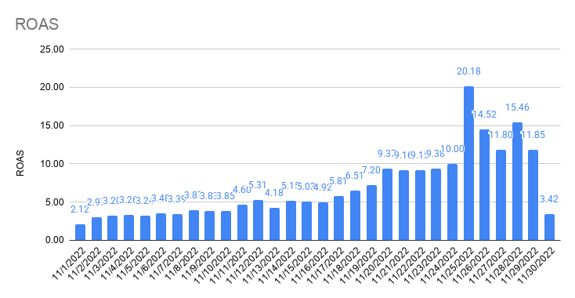
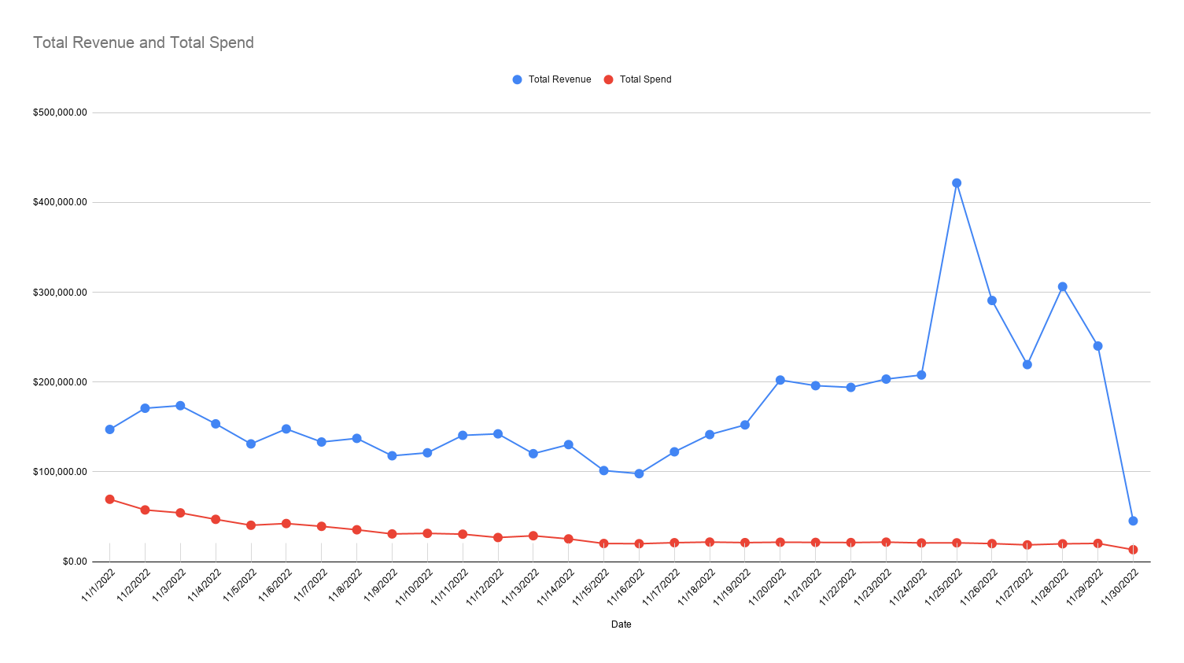

Total Revenue and Total Spend

Attribution
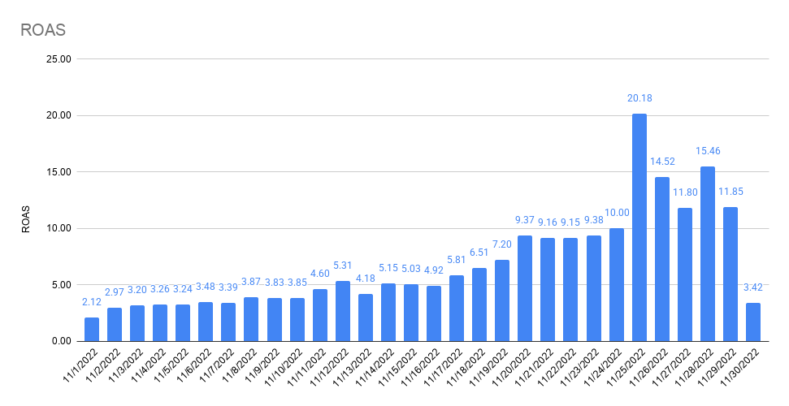
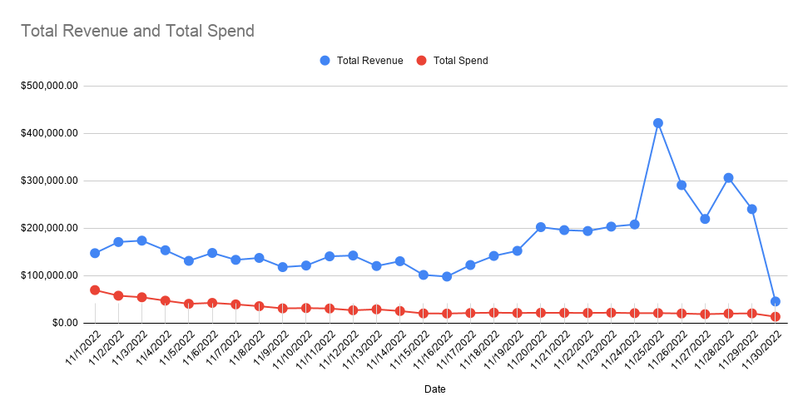
≠ | 11/1/2022 | 11/2/2022 | 11/3/2022 | 11/4/2022 | 11/5/2022 | 11/6/2022 | 11/7/2022 | 11/8/2022 | 11/9/2022 | 11/10/2022 | 11/11/2022 | 11/12/2022 | 11/13/2022 | 11/14/2022 | 11/15/2022 | 11/16/2022 | 11/17/2022 | 11/18/2022 | 11/19/2022 | 11/20/2022 | 11/21/2022 | 11/22/2022 | 11/23/2022 | 11/24/2022 | 11/25/2022 | 11/26/2022 | 11/27/2022 | 11/28/2022 | 11/29/2022 | 11/30/2022
 | TUE | WED | THU | FRI | SAT | SUN | MON | TUE | WED | THU | FRI | SAT | SUN | MON | TUE | WED | THU | FRI | SAT | SUN | MON | TUE | WED | THU | FRI | SAT | SUN | MON | TUE | WED
FB Orders | 320 | 352 | 330 | 293 | 251 | 262 | 226 | 250 | 207 | 187 | 210 | 221 | 203 | 214 | 131 | 134 | 207 | 187 | 234 | 317 | 299 | 320 | 322 | 323 | 517 | 399 | 286 | 371 | 306 | 42
All Orders | 497 | 653 | 646 | 535 | 454 | 492 | 450 | 464 | 387 | 406 | 477 | 478 | 411 | 444 | 350 | 347 | 445 | 488 | 544 | 714 | 697 | 700 | 725 | 742 | 1610 | 1086 | 801 | 1151 | 780 | 170
% Attributed to FB (Ads Manager) | 64% | 54% | 51% | 55% | 55% | 53% | 50% | 54% | 53% | 46% | 44% | 46% | 49% | 48% | 37% | 39% | 47% | 38% | 43% | 44% | 46% | 46% | #REF! | 44% | 32% | 37% | 36% | 32% | 39% | 25%

Attribution

Notes

FB Orders (Shopify) | 135 | 122 | 90 | 87 | 91 | 89 | 69 | 76 | 63 | 57 | 51 | 75 | 56 | 61 | 44 | 40 | 23 | 6 | 4 | 6 | 7 | 6 | 6 | 2 | 6 | 7 | 3 | 6 | 2 | 2

FB Offline Conversions (Shopify) | 0 | 0 | 0 | 0 | 0 | 0 | 0 | 0 | 0 | 0 | 0 | 0 | 0 | 0 | 0 | 0 | 0 | 0 | 0 | 0 | 0 | 0 | 0 | 0 | 0 | 0 | 0 | 0 | 0 | 0
% difference | 0.00% | 0.00% | 0.00% | 0.00% | 0.00% | 0.00% | 0.00% | 0.00% | 0.00% | 0.00% | 0.00% | 0.00% | 0.00% | 0.00% | 0.00% | 0.00% | 0.00% | 0.00% | 0.00% | 0.00% | 0.00% | 0.00% | #REF! | 0.00% | 0.00% | 0.00% | 0.00% | 0.00% | 0.00% | 0.00%

GA (UTM: fb-paid) Orders (Shopify) | 206 | 192 | 177 | 150 | 147 | 150 | 127 | 160 | 113 | 91 | 88 | 118 | 95 | 102 | 69 | 61 | 97 | 71 | 103 | 120 | 119 | 125 | 135 | 170 | 206 | 165 | 142 | 142 | 127 | 17
% difference | 152.59% | 157.38% | 196.67% | 172.41% | 161.54% | 168.54% | 184.06% | 210.53% | 179.37% | 159.65% | 172.55% | 157.33% | 169.64% | 167.21% | 156.82% | 152.50% | 421.74% | 1183.33% | 2575.00% | 2000.00% | 2250.00% | 2083.33% | #REF! | 8500.00% | 3433.33% | 2357.14% | 4733.33% | 2366.67% | 6350.00% | 850.00%

Social Orders (Shopify) | 238 | 226 | 205 | 177 | 176 | 168 | 145 | 164 | 135 | 114 | 117 | 165 | 115 | 120 | 89 | 83 | 86 | 50 | 89 | 109 | 119 | 135 | 115 | 121 | 126 | 128 | 101 | 113 | 90 | 20
% difference | 176.30% | 185.25% | 227.78% | 203.45% | 193.41% | 188.76% | 210.14% | 215.79% | 214.29% | 200.00% | 229.41% | 220.00% | 205.36% | 196.72% | 202.27% | 207.50% | 373.91% | 833.33% | 2225.00% | 1816.67% | 0.00% | 2250.00% | #REF! | 6050.00% | 2100.00% | 1828.57% | 3366.67% | 1883.33% | 4500.00% | 1000.00%

Shopify (All) | 497 | 653 | 646 | 535 | 454 | 492 | 450 | 464 | 387 | 406 | 477 | 478 | 411 | 444 | 350 | 347 | 445 | 488 | 544 | 714 | 697 | 700 | 725 | 742 | 1610 | 1086 | 801 | 1151 | 780 | 170

GA (Shopify) | 470 | 610 | 609 | 506 | 437 | 458 | 425 | 446 | 366 | 381 | 447 | 456 | 383 | 418 | 328 | 322 | 414 | 462 | 517 | 690 | 677 | 683 | 699 | 716 | 1524 | 1,036 | 758 | 1,090 | 738 | 160
% difference | 94.57% | 93.42% | 94.27% | 94.58% | 96.26% | 93.09% | 94.44% | 96.12% | 94.57% | 93.84% | 93.71% | 95.40% | 93.19% | 94.14% | 93.71% | 92.80% | 93.03% | 94.67% | 95.04% | 96.64% | 97.13% | 97.57% | #REF! | 96.50% | 94.66% | 95.40% | 94.63% | 94.70% | 94.62% | 94.12%

PP Survey (All) Order Views | 486 | 639 | 636 | 525 | 446 | 486 | 448 | 458 | 391 | 411 | 497 | 469 | 410 | 437 | 353 | 342 | 443 | 486 | 545 | 706 | 691 | 689 | 713 | 733 | 1589 | 1082 | 799 | 1125 | 771 | 174
% difference | 97.79% | 97.86% | 98.45% | 98.13% | 98.24% | 98.78% | 99.56% | 98.71% | 101.03% | 101.23% | 104.19% | 98.12% | 99.76% | 98.42% | 100.86% | 98.56% | 99.55% | 99.59% | 100.18% | 98.88% | 100.29% | 98.43% | #REF! | 98.79% | 98.70% | 99.63% | 99.75% | 97.74% | 98.85% | 102.35%

Facebook Attribution
Conversion value by channel | 86,170.78 | 92,081.46 | 89,136.65 | 80,070.97 | 65,676.71 | 72,577.84 | 58,773.84 | 64,973.70 | 55,731.87 | 47,880.01 | 54,596.07 | 58,582.71 | 54,597.74 | 54,625.71 | 32,806.11 | 33,381.30 | 48,645.77 | 47,698.17 | 55,296.41 | 78,989.10 | 71,107.65 | 75,657.15 | 79,782.43 | 76,409.77 | 116,319.70 | 91,968.89 | 67,459.06 | 84,164.73 | 74,242.34 | 10,977.53
FB CV | $99,480.72 | $106,304.36 | $102,904.70 | $92,438.73 | $75,821.13 | $83,788.21 | $67,852.05 | $75,009.54 | $64,340.21 | $55,275.56 | $63,028.98 | $67,631.40 | $63,030.91 | $63,063.20 | $37,873.34 | $38,537.38 | $56,159.60 | $55,065.63 | $63,837.49 | $91,189.76 | $82,090.94 | $87,343.15 | $92,105.62 | $88,212.02 | $134,286.44 | $106,174.40 | $77,878.79 | $97,164.81 | $85,709.81 | $12,673.12
GA UTM CV | $64,455.58 | $59,012.30 | $56,263.36 | $47,288.53 | $45,566.05 | $48,676.64 | $39,492.65 | $49,650.19 | $36,598.54 | $27,670.41 | $27,577.80 | $36,758.40 | $28,963.86 | $31,562.16 | $21,204.20 | $19,320.23 | $28,241.90 | $21,313.27 | $31,322.69 | $34,936.57 | $34,279.79 | $36,638.45 | $41,637.01 | $49,639.31 | $59,400.36 | $50,527.24 | $42,856.96 | $40,963.60 | $42,856.96 | $5,588.41
TW CV | $73,106.67 | $71,552.25 | $66,704.28 | $56,809.63 | $52,937.95 | $57,703.54 | $46,833.57 | $54,199.95 | $41,636.59 | $33,779.22 | $34,864.74 | $46,419.41 | $39,486.25 | $35,893.70 | $25,510.79 | $23,962.55 | $34,939.97 | $27,981.18 | $46,777.89 | $62,225.37 | $55,812.94 | $62,159.34 | $66,610.30 | $59,551.77 | $80,135.18 | $66,383.73 | $51,414.01 | $51,762.39 | $50,238.64 | $6,814.27
Overall CV | $147,229.85 | $170,827.02 | $173,735.26 | $153,450.02 | $131,109.38 | $147,780.94 | $133,213.04 | $137,265.03 | $117,882.72 | $121,205.57 | $140,629.14 | $142,305.00 | $120,216.13 | $130,321.17 | $101,390.49 | $97,941.78 | $122,286.51 | $141,485.61 | $152,239.82 | $202,219.46 | $195,967.58 | $194,049.28 | $203,298.08 | $207,867.19 | $421,782.46 | $290,863.94 | $219,443.33 | $306,293.66 | $240,149.13 | $45,326.17

Orders by channel
FB OR | 320 | 352 | 330 | 293 | 251 | 262 | 226 | 250 | 207 | 187 | 210 | 221 | 203 | 214 | 131 | 134 | 207 | 187 | 234 | 317 | 322 | 320 | 322 | 323 | 517 | 399 | 286 | 371 | 306 | 42
GA UTM OR | 206 | 192 | 177 | 150 | 147 | 150 | 127 | 160 | 113 | 91 | 88 | 118 | 95 | 102 | 69 | 61 | 97 | 71 | 103 | 120 | 135 | 125 | 135 | 170 | 206 | 165 | 142 | 142 | 127 | 17
TW OR | 235 | 235 | 210 | 183 | 170 | 178 | 151 | 175 | 130 | 110 | 112 | 150 | 129 | 116 | 84 | 76 | 120 | 98 | 158 | 205 | 191 | 212 | 218 | 206 | 278 | 226 | 173 | 183 | 166 | 21
Overall OR | 497 | 653 | 646 | 535 | 454 | 492 | 450 | 464 | 387 | 406 | 477 | 478 | 411 | 444 | 350 | 347 | 445 | 488 | 544 | 714 | 697 | 700 | 725 | 742 | 1,610 | 1,086 | 801 | 1,151 | 780 | 170

Attribution % by channel (CV) | 11/1/2022 | 11/2/2022 | 11/3/2022 | 11/4/2022 | 11/5/2022 | 11/6/2022 | 11/7/2022 | 11/8/2022 | 11/9/2022 | 11/10/2022 | 11/11/2022 | 11/12/2022 | 11/13/2022 | 11/14/2022 | 11/15/2022 | 11/16/2022 | 11/17/2022 | 11/18/2022 | 11/19/2022 | 11/20/2022 | 11/21/2022 | 11/22/2022 | 11/23/2022 | 11/24/2022 | 11/25/2022 | 11/26/2022 | 11/27/2022 | 11/28/2022 | 11/29/2022 | 11/30/2022
Difference FB / Overall | 67.57% | 62.23% | 59.23% | 60.24% | 57.83% | 56.70% | 50.93% | 54.65% | 54.58% | 45.60% | 44.82% | 47.53% | 52.43% | 48.39% | 37.35% | 39.35% | 45.92% | 38.92% | 41.93% | 45.09% | 41.89% | 45.01% | 45.31% | 42.44% | 31.84% | 36.50% | 35.49% | 31.72% | 35.69% | 27.96%
Difference GA UTM / Overall | 43.78% | 34.55% | 32.38% | 30.82% | 34.75% | 32.94% | 29.65% | 36.17% | 31.05% | 22.83% | 19.61% | 25.83% | 24.09% | 24.22% | 20.91% | 19.73% | 23.09% | 15.06% | 20.57% | 17.28% | 17.49% | 18.88% | 20.48% | 23.88% | 14.08% | 17.37% | 19.53% | 13.37% | 17.85% | 12.33%
Difference TW / Overall | 49.65% | 41.89% | 38.39% | 37.02% | 40.38% | 39.05% | 35.16% | 39.49% | 35.32% | 27.87% | 24.79% | 32.62% | 32.85% | 27.54% | 25.16% | 24.47% | 28.57% | 19.78% | 30.73% | 30.77% | 28.48% | 32.03% | 32.76% | 28.65% | 19.00% | 22.82% | 23.43% | 16.90% | 20.92% | 15.03%

Attribution % by channel (OR) | 11/1/2022 | 11/2/2022 | 11/3/2022 | 11/4/2022 | 11/5/2022 | 11/6/2022 | 11/7/2022 | 11/8/2022 | 11/9/2022 | 11/10/2022 | 11/11/2022 | 11/12/2022 | 11/13/2022 | 11/14/2022 | 11/15/2022 | 11/16/2022 | 11/17/2022 | 11/18/2022 | 11/19/2022 | 11/20/2022 | 11/21/2022 | 11/22/2022 | 11/23/2022 | 11/24/2022 | 11/25/2022 | 11/26/2022 | 11/27/2022 | 11/28/2022 | 11/29/2022 | 11/30/2022
Difference FB / Overall | 64.39% | 53.91% | 51.08% | 54.77% | 55.29% | 53.25% | 50.22% | 53.88% | 53.49% | 46.06% | 44.03% | 46.23% | 49.39% | 48.20% | 37.43% | 38.62% | 46.52% | 38.32% | 43.01% | 44.40% | 46.20% | 45.71% | 44.41% | 43.53% | 32.11% | 36.74% | 35.71% | 32.23% | 39.23% | 24.71%
Difference GA UTM / Overall | 41.45% | 29.40% | 27.40% | 28.04% | 32.38% | 30.49% | 28.22% | 34.48% | 29.20% | 22.41% | 18.45% | 24.69% | 23.11% | 22.97% | 19.71% | 17.58% | 21.80% | 14.55% | 18.93% | 16.81% | 19.37% | 17.86% | 18.62% | 22.91% | 12.80% | 15.19% | 17.73% | 12.34% | 16.28% | 10.00%
Difference TW / Overall | 47.28% | 35.99% | 32.51% | 34.21% | 37.44% | 36.18% | 33.56% | 37.72% | 33.59% | 27.09% | 23.48% | 31.38% | 31.39% | 26.13% | 24.00% | 21.90% | 26.97% | 20.08% | 29.04% | 28.71% | 27.40% | 30.29% | 30.07% | 27.76% | 17.27% | 20.81% | 21.60% | 15.90% | 21.28% | 12.35%

ROAS by channel | 11/1/2022 | 11/2/2022 | 11/3/2022 | 11/4/2022 | 11/5/2022 | 11/6/2022 | 11/7/2022 | 11/8/2022 | 11/9/2022 | 11/10/2022 | 11/11/2022 | 11/12/2022 | 11/13/2022 | 11/14/2022 | 11/15/2022 | 11/16/2022 | 11/17/2022 | 11/18/2022 | 11/19/2022 | 11/20/2022 | 11/21/2022 | 11/22/2022 | 11/23/2022 | 11/24/2022 | 11/25/2022 | 11/26/2022 | 11/27/2022 | 11/28/2022 | 11/29/2022 | 11/30/2022
FB ROAS | 1.71 | 2.21 | 2.32 | 2.38 | 2.34 | 2.41 | 2.07 | 2.70 | 2.78 | 2.30 | 2.69 | 3.34 | 2.83 | 3.32 | 2.44 | 2.61 | 3.49 | 3.38 | 4.16 | 6.00 | 5.31 | 5.58 | 5.86 | 5.68 | 8.79 | 7.29 | 5.92 | 7.02 | 6.04 | 1.49
GA UTM ROAS | 1.11 | 1.23 | 1.27 | 1.22 | 1.41 | 1.40 | 1.20 | 1.79 | 1.58 | 1.15 | 1.18 | 1.82 | 1.30 | 1.66 | 1.36 | 1.31 | 1.76 | 1.31 | 2.04 | 2.30 | 2.22 | 2.34 | 2.65 | 3.20 | 3.89 | 3.47 | 3.26 | 2.96 | 3.02 | 0.66
TW ROAS | 1.26 | 1.49 | 1.50 | 1.46 | 1.64 | 1.66 | 1.43 | 1.95 | 1.80 | 1.40 | 1.49 | 2.30 | 1.77 | 1.89 | 1.64 | 1.62 | 2.17 | 1.72 | 3.05 | 4.09 | 3.61 | 3.97 | 4.23 | 3.83 | 5.24 | 4.56 | 3.91 | 3.74 | 3.54 | 0.80
Overall ROAS | 2.12 | 2.97 | 3.20 | 3.26 | 3.24 | 3.48 | 3.39 | 3.87 | 3.83 | 3.85 | 4.60 | 5.31 | 4.18 | 5.15 | 5.03 | 4.92 | 5.81 | 6.51 | 7.20 | 9.37 | 9.16 | 9.15 | 9.38 | 10.00 | 20.18 | 14.52 | 11.80 | 15.46 | 11.85 | 3.42

CAC by channel | 11/1/2022 | 11/2/2022 | 11/3/2022 | 11/4/2022 | 11/5/2022 | 11/6/2022 | 11/7/2022 | 11/8/2022 | 11/9/2022 | 11/10/2022 | 11/11/2022 | 11/12/2022 | 11/13/2022 | 11/14/2022 | 11/15/2022 | 11/16/2022 | 11/17/2022 | 11/18/2022 | 11/19/2022 | 11/20/2022 | 11/21/2022 | 11/22/2022 | 11/23/2022 | 11/24/2022 | 11/25/2022 | 11/26/2022 | 11/27/2022 | 11/28/2022 | 11/29/2022 | 11/30/2022
FB CAC | $181.28 | $136.80 | $134.45 | $132.61 | $128.87 | $132.59 | $145.29 | $111.25 | $111.97 | $128.61 | $111.39 | $91.50 | $109.86 | $88.86 | $118.59 | $110.22 | $77.68 | $87.05 | $65.55 | $47.94 | $48.02 | $48.89 | $48.85 | $48.09 | $29.56 | $36.50 | $45.96 | $37.29 | $46.39 | $202.35
GA UTM CAC | $281.60 | $250.80 | $250.66 | $259.02 | $220.04 | $231.58 | $258.55 | $173.83 | $205.11 | $264.29 | $265.82 | $171.37 | $234.75 | $186.42 | $225.16 | $242.13 | $165.76 | $229.27 | $148.92 | $126.64 | $114.54 | $125.17 | $116.51 | $91.36 | $74.19 | $88.25 | $92.57 | $97.44 | $111.76 | $499.92
TW CAC | $246.85 | $204.91 | $211.27 | $212.31 | $190.27 | $195.15 | $217.46 | $158.93 | $178.29 | $218.64 | $208.86 | $134.81 | $172.88 | $163.92 | $184.95 | $194.34 | $133.99 | $166.10 | $97.08 | $74.13 | $80.96 | $73.80 | $72.15 | $75.40 | $54.98 | $64.43 | $75.98 | $75.61 | $85.51 | $404.70
Overall CAC | $139.68 | $88.13 | $84.00 | $87.97 | $89.17 | $86.20 | $87.25 | $76.38 | $79.63 | $77.45 | $64.05 | $56.09 | $69.99 | $56.94 | $57.65 | $57.42 | $47.30 | $44.55 | $38.87 | $30.22 | $30.69 | $30.29 | $29.89 | $28.00 | $12.98 | $18.44 | $23.23 | $17.21 | $25.97 | $77.88

ROAS by channel
CAC by channel

Attribution % by channel (CV)
Attribution % by channel (OR)

